Quote
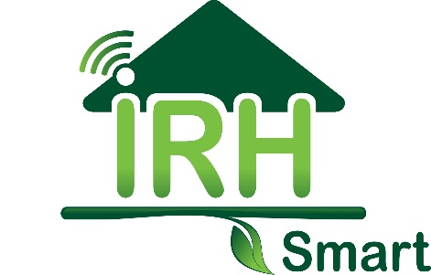

 |  | Proposal

 |  | Date | 2024-08-21
Contact: | Irina Perez Lara | Quote # | 240821-1
Email: | irina@irhsmart.com | Prepared by: | Irina Perez
Phone: | 786.208.6889

Invoice to: |  | P&G Project Number: | 24-113
Company: | P&G DESIGN GROUP CORP. | P&G Project Name: | BOA - Bollard
Address: | 6303 Blue Lagoon Drive. Miami. FL.33126
Email: | molini.nm@pgengineeringdesign.com
Phone: | (407) 460-0744

 | BANK OF AMERICA BOLLARD
 | 299 N Nova Rd., Ormond Beach, FL 32174
Item # | SCOPE OF WORK |  | PRICE
1 | Provide permitting assistance in order to secure a construction permit as per below:
1.1 | Confirm all Jurisdictional requirements, departments, clearances, fees, permits needed, timelines, etc., required to approve the permit application. |  | $1,500.00
1.2 | Permit Submittal and Coordination with Jurisdiction.
1.3 | Permit Resubmittals due to comments.
1.4 | Coordination with jurisdiction due to owner modifications.

 |  | Total | $1,500.00

Payment Terms:
35 % is due upon approval of this Proposal.
50% is due upon submission of plans and documents for permit.
Balance is due upon Permit Issuance.

Payment Methods:
Make Checks payable to IRH Smart LLC / 13912 SW 161st TERR, Miami, FL. 33177.
Make Zelle transfers to IRH Smart LLC using irina@irhsmart.com as contact info.

Thank you for your business!!!

Services not Included in this Proposal: - Site Plan Submittals. - Any job or coordination after the Construction Permit is issued. - Sub-permits (if needed) will be in a separate proposal. Only the Master permit process is included in this proposal. - Record of Notice of commencement. - Any governmental permit fees, application fees, review fees, impact fees, concurrency fees, and repeat review fees. - Zoning Variances, Administrative Variances, Adjustments, and Public Hearings. - Inspection requests, coordination, or results. - Permit closing. Professional Services Agreement: Time Limit of This Proposal. IRH Smart LLC reserves the right to revise, amend, and/or rescind this proposal at any time prior to final execution by both parties. This proposal is considered null and void thirty days after the date of the proposal. Billings and Payments. Payment of invoices will be due upon receipt. If at any time, payment has not been received more than forty-five days from the date of presentation of the invoice, we may choose to cease work, and you shall have no claim against IRH Smart LLC due to the cessation of work. If you dispute any invoice or portion of any invoice, you shall notify us within fifteen days of your receipt of the invoice. You and IRH Smart LLC will work together to resolve the matter within 60 days of its being called to our attention. If a resolution is not attained within 60 days, either party may terminate this agreement. Any invoices, that remain unpaid after sixty days from the date of the invoice, will accrue interest at the rate of 1.50% per month. In the event any portion of an account remains unpaid 90 days after billing, the costs of collection, including reasonable attorneys’ fees, will be billed, and due upon receipt of the invoice. Payment of IRH Smart LLC is expressly not conditioned upon the undersigned receiving any payment from third parties who are not a party to this agreement, such as other developers, or funding

X
Print Name Signature

Thank you for your business!!!

